1. Title Page
[Project Name]

Project Name: Instacart Basket Analysis
Date: 18/03/2025
Analyst Name: Dax Malelak

Contents:
Population Flow
Consistency checks
Wrangling steps
Column derivations
Visualizations
Recommendations

Data source: “The Instacart Online Grocery Shopping Dataset 2017”, Accessed from www.instacart.com/datasets/grocery-shopping-2017 via Kaggle on 30/1/2025

2. Population Flow
Title page

Population flow

Exclusion flag
Condition: max_order <
Obervations to be removed:
Final total count of order_products_all:

Orders_products_combined
Orders_products_merged
Orders_products_all

Total: 32,434,489
Total: 32,404,859
Total: 32,404,859

1.) The grey boxes in the first row of the population flow represent the original data sets as they were when you downloaded them. In the Total fields you need to add the count of the rows when you imported the data set into Jupyter.
2.) The second row of boxes (coloured) represents the data sets after you manipulated them, e.g., removed missing values and duplicates. In the Total fields you need to add the count of the rows after conducting these operations. This offers a visual oveview of how the data flows throughout the data consistency checks.
3.) The third row, where also the arrows are coloured, represents the merges you performed between the datasets. In the Total fields you need to add the count of the rows in the merged datasets, so that you end up with the final dataset (in the red box). Keep in mind the final dataset should be without exclusions (based on the exclusion flag).

3. Consistency checks
 |  |  |  | Title page
Consistency checks

Dataset | Missing values | Missing values treatment | Duplicates
orders | 206209 missing values from days_since_prior_order | Missing values left as they represent customer first order | No duplicates
products | 16 product names missing | products removed from dataframe | 5 duplicate rows found and removed
orders_products_prior | No missing values | Not required | No duplicates
customers | No missing values | Not required | No duplicates

4. Wrangling steps
 |  | Title page
Wrangling steps

Columns dropped | Comment/Reason
eval_set from orders.csv
Unnamed index column from orders_wrangled.csv
_merge column from orders_products_combined.pkl
Unnamed column from orders_products_combined.pkl

Columns renamed | Comment/Reason
order_dow to orders_day_of_week from orders.csv
First Name': 'first_name', from customers.csv
'Surnam': 'last_name', from customers.csv
'Gender': 'gender', from customers.csv
'STATE': 'state', from customers.csv
'Age': 'age', from customers.csv
'n_dependants': 'num_dependents', from customers.csv
'fam_status': 'family_status', from customers.csv
'income': 'annual_income', from customers.csv

Columns' type changed | Comment/Reason
order_id from interger to string from orders.csv
user_id from interger to string from orders.csv
first_name from object to string from customers.csv
last_name from object to string from customers.csv
gender from object to category from customers.csv
state from object to category from customers.csv
family_status from object to category from customers.csv

5. Column derivations
 |  |  |  | Title page

Column derivations and aggregations

In this tab you should add tables below that the frequences of flags/label variables that you produced after deriving them. NB: don't do this for continuous variables, only for flags.
Dataset | New column | Column/s it was derived from | Conditions
ords_prods_new_cols.pkl | loyalty_flag | max_order | If value > 40 then 'Loyal customer' If value <= 40 & > 10 then 'Regular customer' If value < 10 then 'New customer'
ords_prods_merged.pkl | busiest_days | orders_day_of_week | if value = 0 or value = 1 then 'Busiest days' if value = 3 or value = 4 then 'Slowest days' else 'Regularly busy'
ords_prods_merged.pkl | busiest_period_of_day | order_hour_of_day | if x in 10, 11, 13, 14, 15 then 'Most orders' if x in 1, 2, 3, 4, 5 then 'Fewest orders' else 'Average orders'
ords_prods_merged_new.pkl | product_spending_flag | avg_product_price | If value < 10 then 'Low product spender' If value >= 10 then 'High product spender'
ords_prods_merged_new.pkl | order_spending_flag | avg_order_spending | If value < 160 then 'Low order spender' If value >= 160) & <5000 then 'High order spender' If value >= 5000 then 'Value Error'
ords_prods_merged_new.pkl | order_freq_flag | median_days_since_prior_order | If value > 20 then 'Non-frequent customer' If value <= 20) & > 10 then 'Regular customer' If value <= 10 then 'Frequent customer'
ords_prods_cust_merged.pkl | Region | state | All U.S. states by region
ords_prods_cust_merged.pkl | total_orders | user_id & order_number | If value < 5 then 'Low-activity customer' If value >= 5 then 'Active customer'
ords_prods_cust_merged.pkl | income_category | annual_income | If value < 40000 then 'Low Income' If value >= 40000 & < 100000 then 'Middle Income' If value >= 100000 then 'High Income'
ords_prods_cust_merged.pkl | age_group | age | If value < 25 then 'Young Adult' If value >= 25 & < 40 then 'Adult' If value >= 40 & ,60 then 'Middle Aged' If value >= 60 then 'Senior'
ords_prods_cust_merged.pkl | dependents_status | num_dependents | If value = 0 then ' No dependents' If value > 0 then ' Has dependents'

6. Visualizations
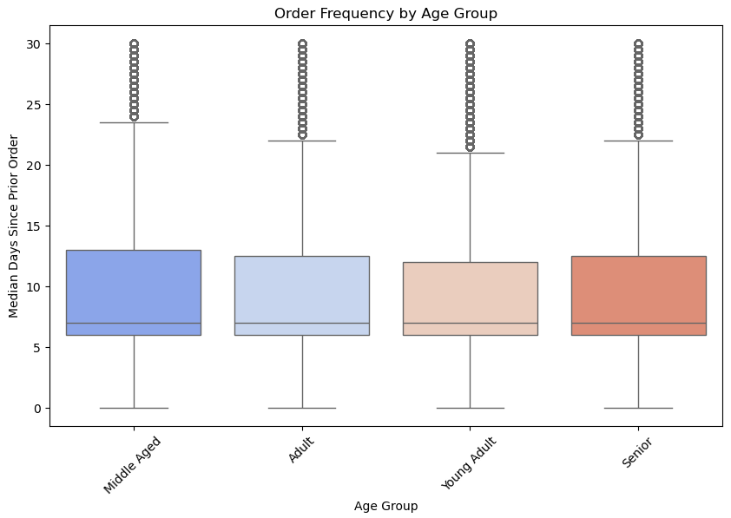
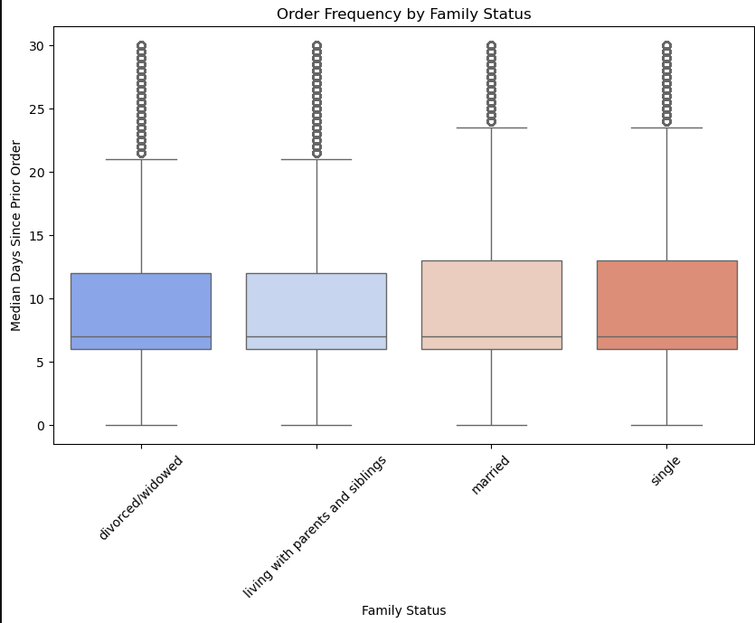
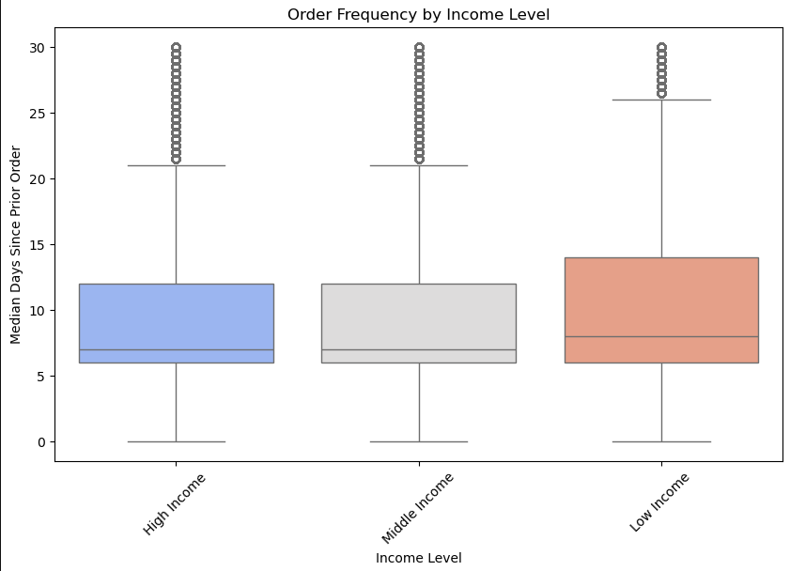
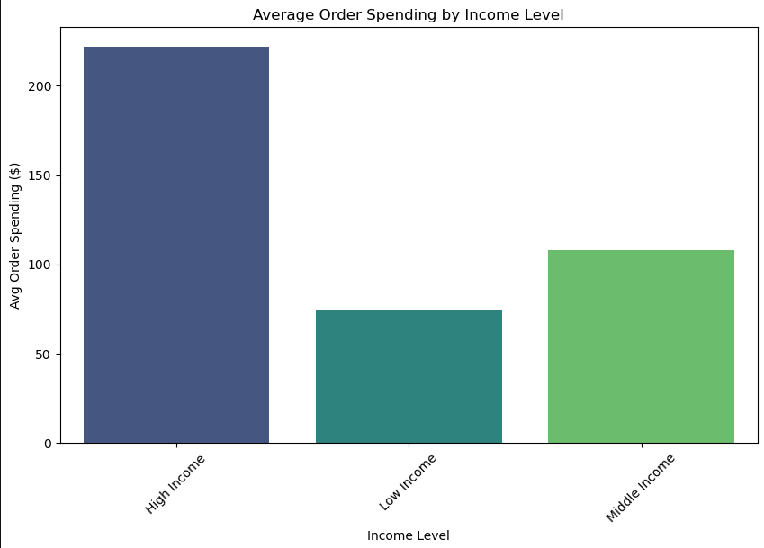
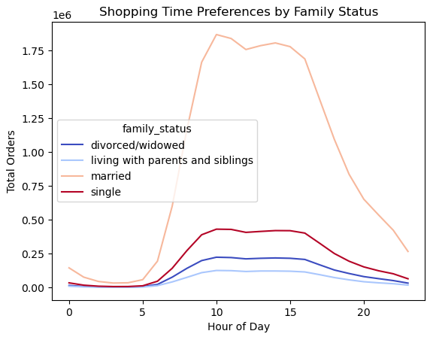
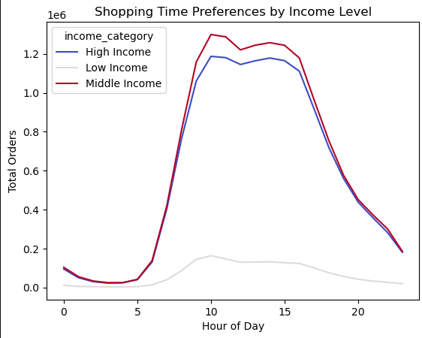
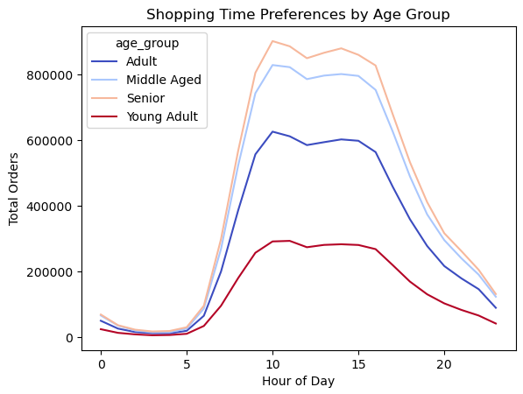
 | Title page

Visualisations

In this tab you should include all the visualtions from Exercises 4.9 and 4.10, alongside the questions from the project brief that they answer. Include any commentary on the relationship between different variables.

Question
What are the busiest days of the week and hours of the day?

Commentary
Orders are highest at 9am to 4pm, peaking at 10am and 11am. The busiest days of the week are Saturday and Sunday.
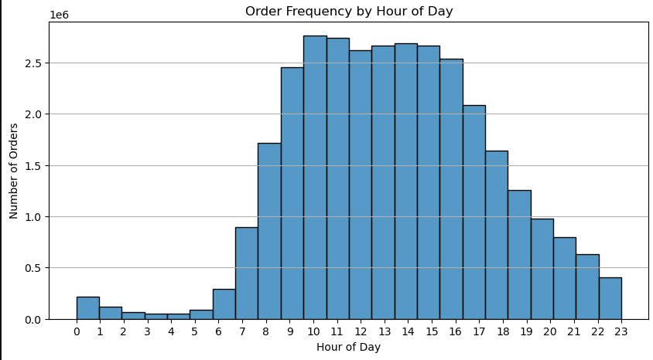
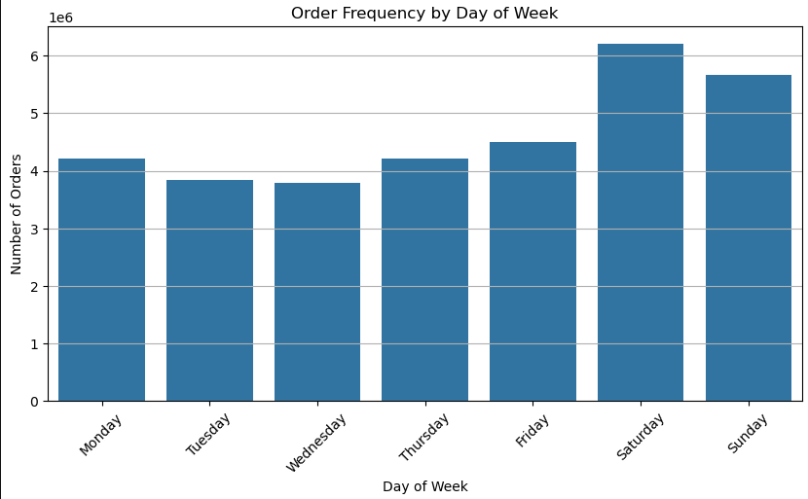

Question
Are there particular times of day when people spend the most money?

Commentary
Product prices purchased are slightly higher in the morning 2am and 4am.

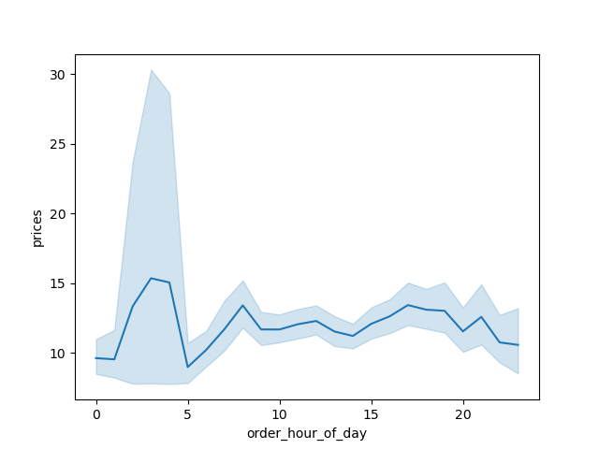

Question
Are there certain products that are more popular than others?

Commentary
Produce, dairy/eggs, snacks, beverages, frozen are the top 5 best selling departments.

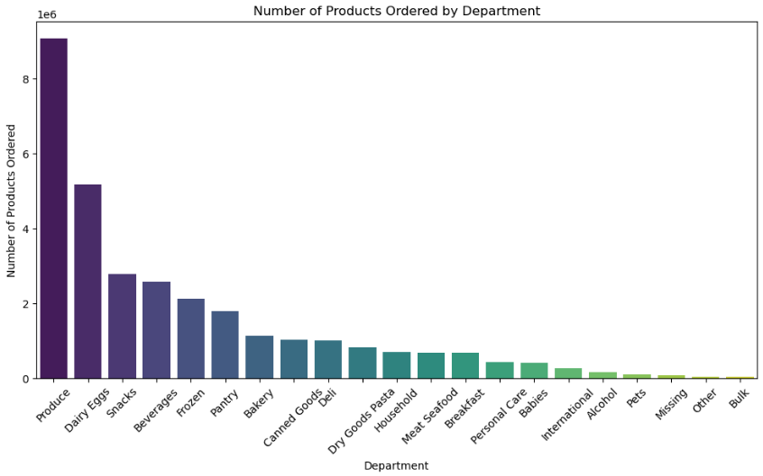

Question
What is the distribution among users as to how often they return to Instacart?

Commentary
Most customers have between 10 and 40 orders, followed by loyal customers who have more than 40 orders, and new customers are the smallest group consisting of customers with lesss than 10 orders.

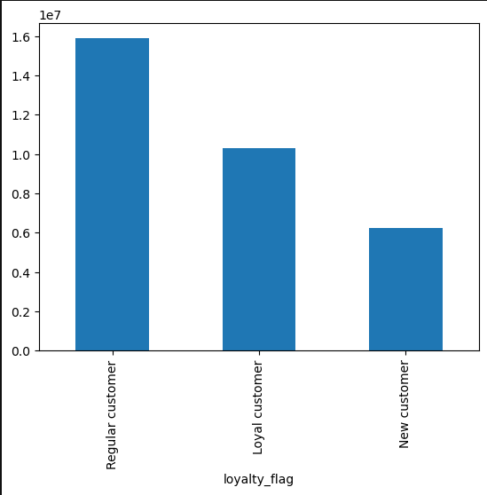

Question
Are there differences in ordering habits based on a customer’s loyalty status?

Commentary
For both product and order spending most customers in each loyalty category are low spenders.

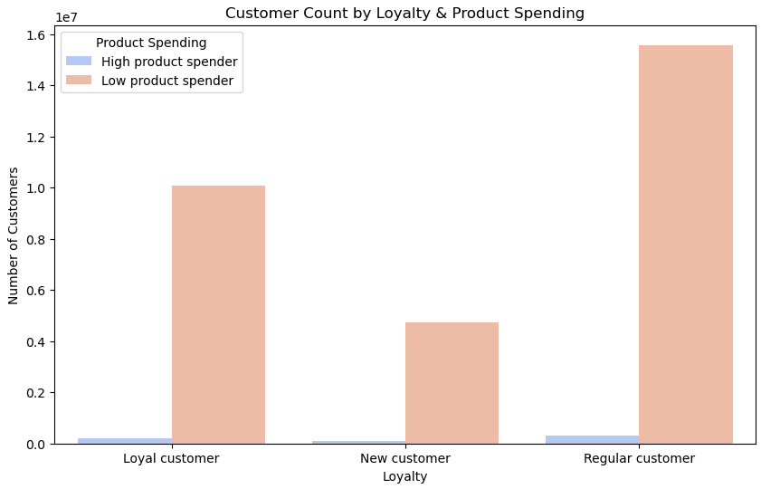
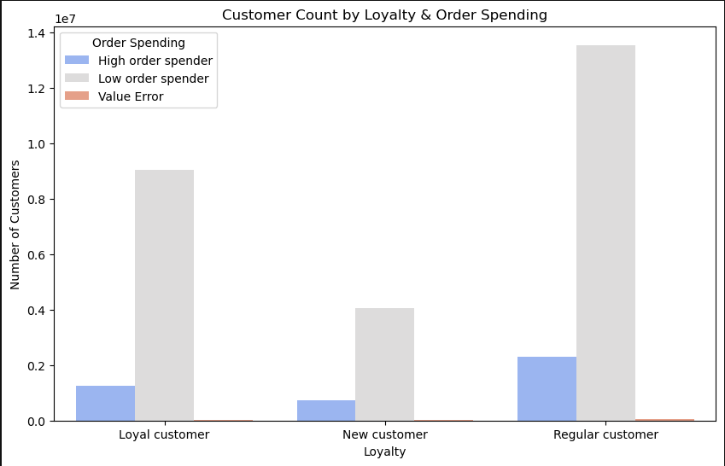

Question
Are there differences in ordering habits based on a customer’s region?

Commentary
The South seems like it has higher low product spenders but when normalised based on number of customers in each region the percentage of low and high product spenders are almost identical.
All regions seem to have the same distribution of product type sales with produce, snacks, and dairy/eggs making up the top 3.
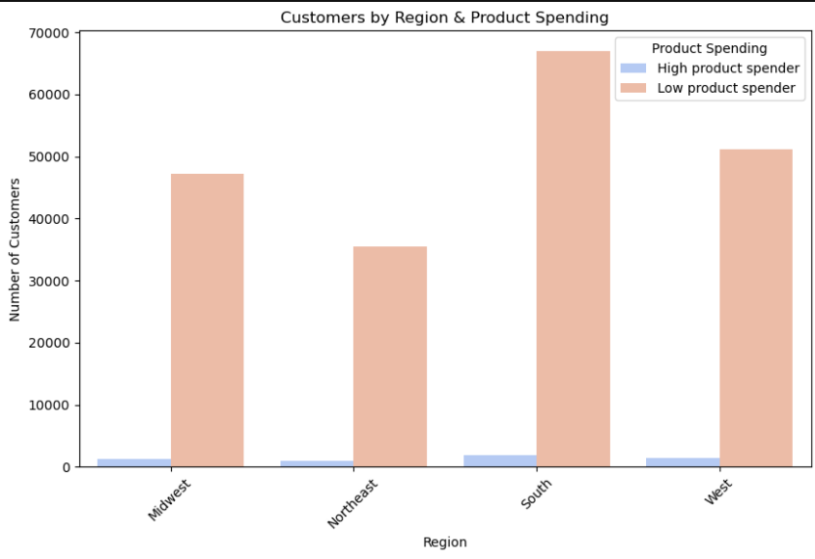

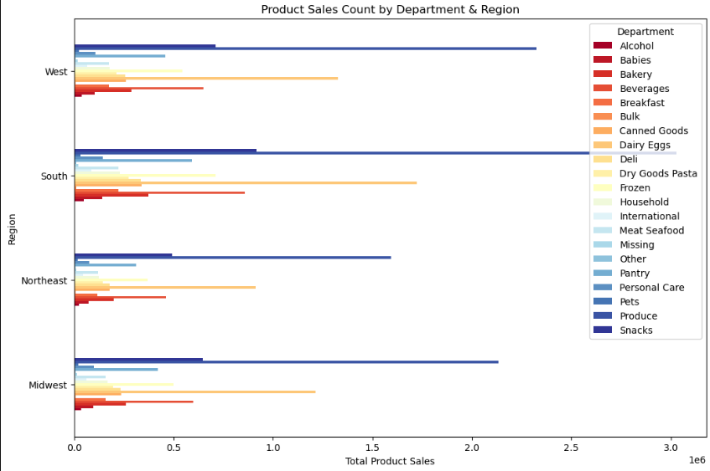

Question
Is there a connection between age and family status in terms of ordering habits?

Commentary
Most customers are married, middle aged to senior, and have dependents.
Singles and adults tend to have the highest order spending with the differences being slight amongst all categories. Dependent status doesn't effect order spending level.

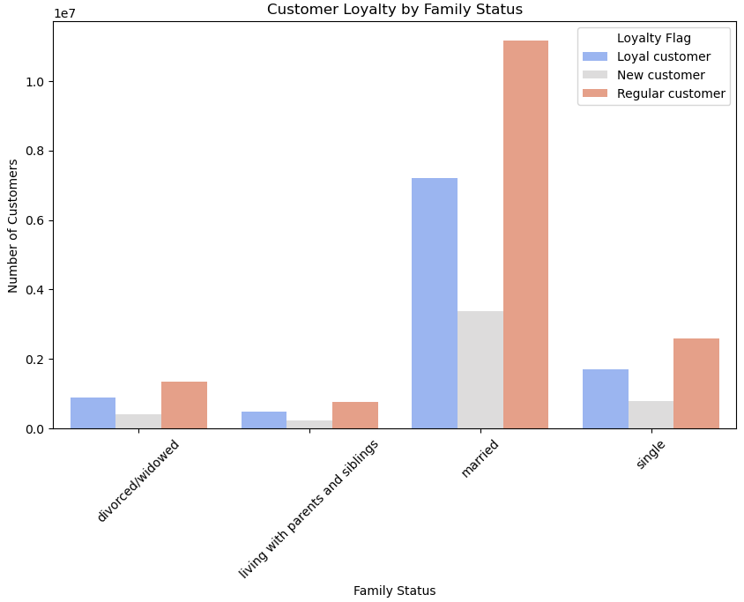
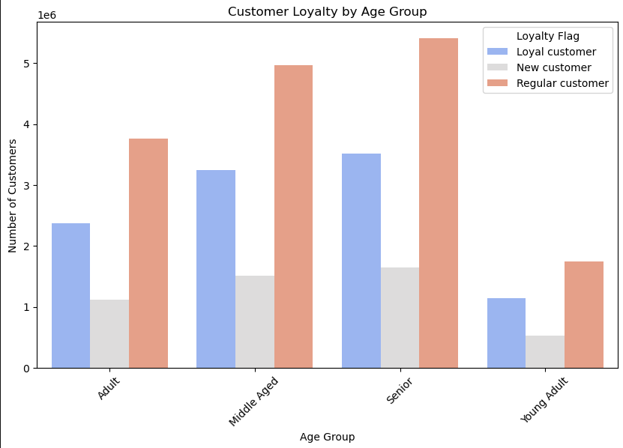
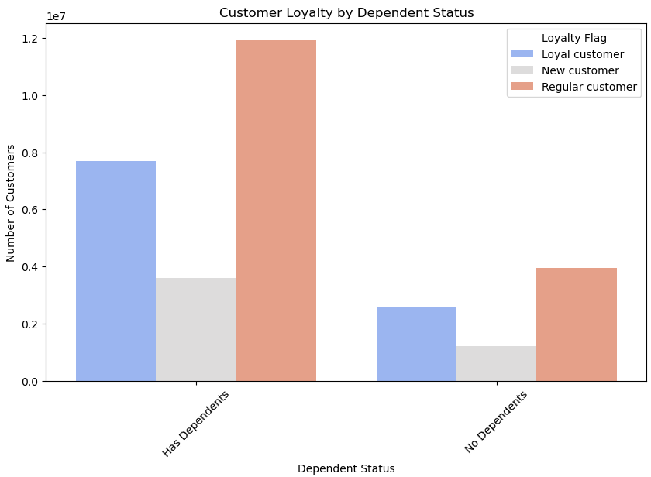

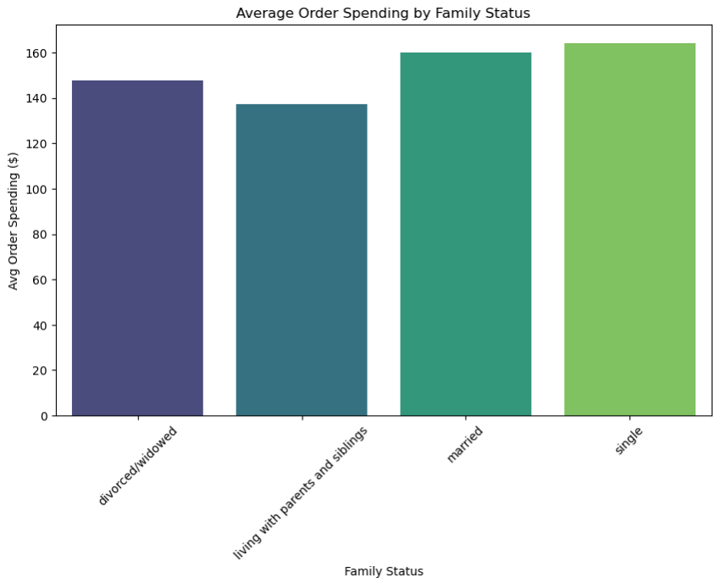
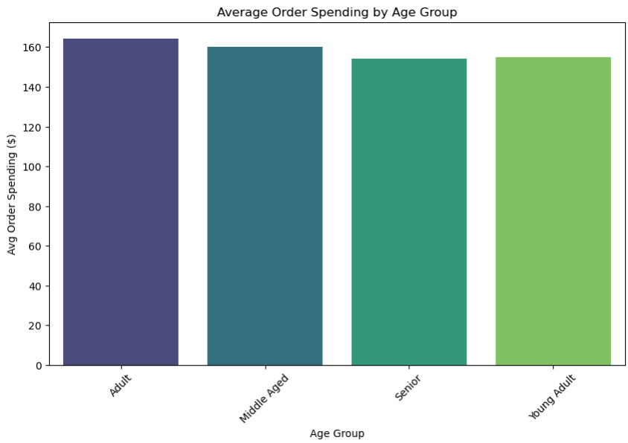
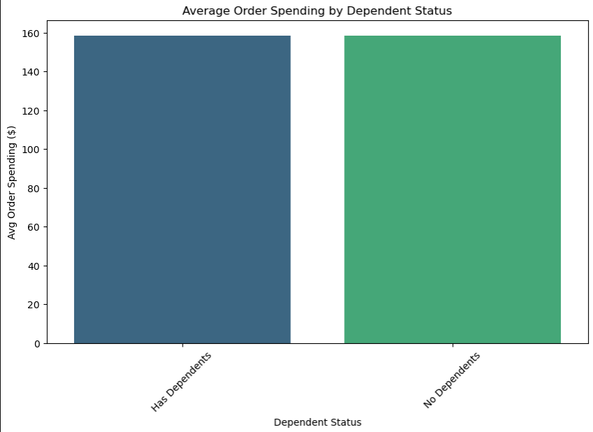

Question
What different classifications does the demographic information suggest?

Commentary
Most married and divorced/widowed customers are high income followed by middle income. Most single customers are middle income followed by high income.
Most customers living with parents and siblings are middle income followed by low income.
There is a moderate positive correlation (0.42) between age and annual income with all those earning above 400k being 40+.

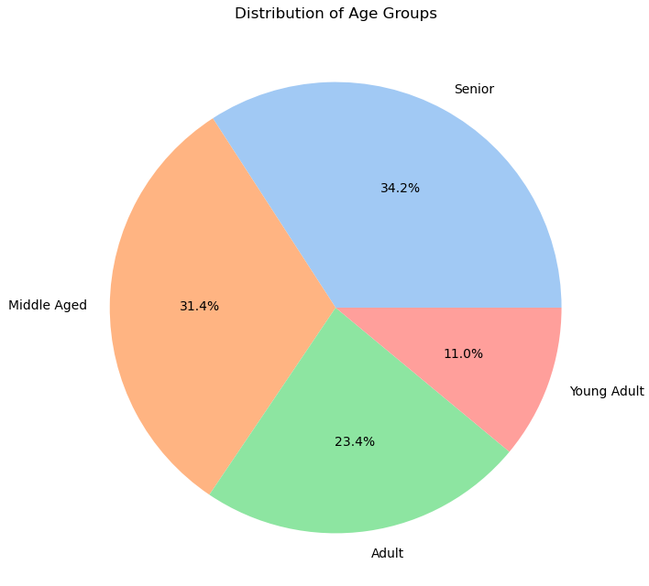

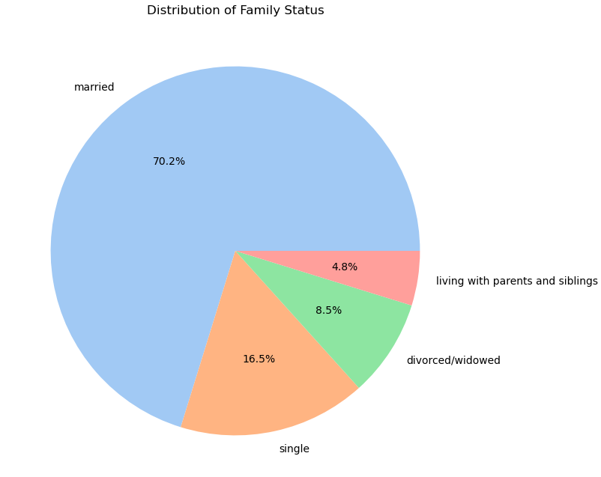

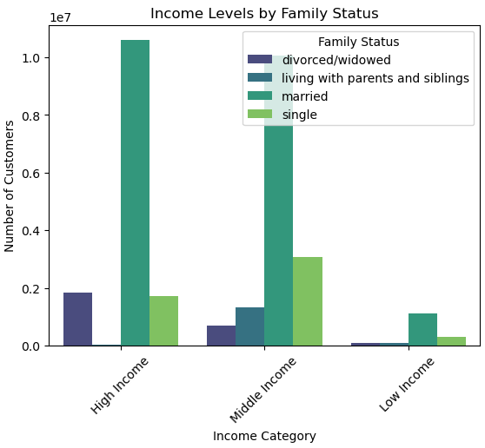



Question
What differences can you find in ordering habits of different customer profiles?

Commentary
Average order spending is proportional with income level.
Order frequency seems to be quite similar amongst all customer profiles.
Shopping time preferences seem to follow similar trends amongst all customer profiles.

7. Recommendations
 |  |  | Title page

Recommendations

In this tab you should include any recommendations you would made to Instcart in terms of their marketing strategy based on the questions posed in the brief. Every key question has been covered in the Tasks of the Exercises - here you need to add an item - a visualisation or table/crosstable that is showing the answer in the data, acompanied by a comment from you. Please, list the questions below and add the answer underneath.

Question | Answer | Recommendation
What are the busiest days of the week and hours of the day? | Saturday and Sunday are the busiest days of the week with Tuesday and Wednesday being the least busy days. The quietest hours of the day start from midnight till 6am when is starts to pick up. The busiest hours range from 9am to 4pm with the peak at 10am and 11am. | Run promotions and discounts on least busy days (Tuesday & Wednesday) to increase engagement during quieter periods. Offer time-limited flash deals during peak shopping hours (10–11 AM) to capitalise on existing traffic.
Are there particular times of day when people spend the most money? | Product prices purchased are slightly higher between 2am and 4am but remain relatively stable throughout the day. | The price variation here is very minimal. No recommendations are taken from this observation.
Are there certain products that are more popular than others? | The top 5 selling departments are produce, dairy/eggs, snacks, beverages, and frozen. | Feature these departments prominently in Instacart’s homepage and ads to maximise visibility. Bundle promotions (e.g., “Buy 3 Snack items, get a Beverage free”) to increase basket size.
What is the distribution among users as to how often they return to Instacart? | Most customers have between 10 and 40 orders, followed by loyal customers who have more than 40 orders, and new customers are the smallest group consisting of customers with lesss than 10 orders. | Increase repeat purchases with loyalty rewards (e.g., “5% cashback after 10+ orders”). Target new customers aggressively with first-time user promotions to encourage repeat usage. Introduce tiered loyalty programs (e.g., “Instacart Gold” for customers with 40+ orders to retain high-value users).
Are there differences in ordering habits based on a customer’s loyalty status? | The majority of customers, regardless of loyalty status, fall under low spending for both product and order spending. | Encourage larger baskets by offering free delivery on orders over a certain amount. Encourage higher spending through tiered rewards (e.g., "Complete 5 purchases over $50 this month and get $10 off your next order!").
Are there differences in ordering habits based on a customer’s region? | The percentage of high and low product spenders amongst all regions are almost identical. All regions seems to have the same distribution of product type sales. | Instead of regional promotions, focus on universal product-category-based marketing strategies.
Is there a connection between age and family status in terms of ordering habits? | Most customers are married, middle aged to senior, and have dependents. Singles and adults tend to have the highest order spending with the differences being slight amongst all categories. Dependent status doesn't effect order spending level. | Offer bulk-buy discounts to target middle-aged, married customers with dependents. Target singles & young adults with convenience-driven offers (e.g., ready-to-eat meals). High-income customers should be targeted with premium grocery options. Lower-income shoppers can be targeted with budget-friendly deals & price comparison features.
What different classifications does the demographic information suggest? | Most married and divorced/widowed customers are high income followed by middle income. Most single customers are middle income followed by high income. Most customers living with parents and siblings are middle income followed by low income. There is a moderate positive correlation (0.42) between age and annual income with all those earning above 400k being 40+. | Premium ads for high-income shoppers (organic, luxury groceries) should be prominent for 40+ customers. Young professionals (single, middle-income) should see ads for fast delivery & convenience-focused items. Students and budget shoppers should receive discount opportunities & meal-prep bundles.
What differences can you find in ordering habits of different customer profiles? | Average order spending is proportional with income level. Order frequency seems to be quite similar amongst all customer profiles. Shopping time preferences seem to follow similar trends amongst all customer profiles. | Run targeted promotions based on spending behavior (e.g., cashback rewards for high spenders, coupons for bulk purchases for low-income shoppers). Since ordering behavior and shopping time remain consistent across different customer profiles, additional segmentation is not necessary.

